2. Hard Coded Template
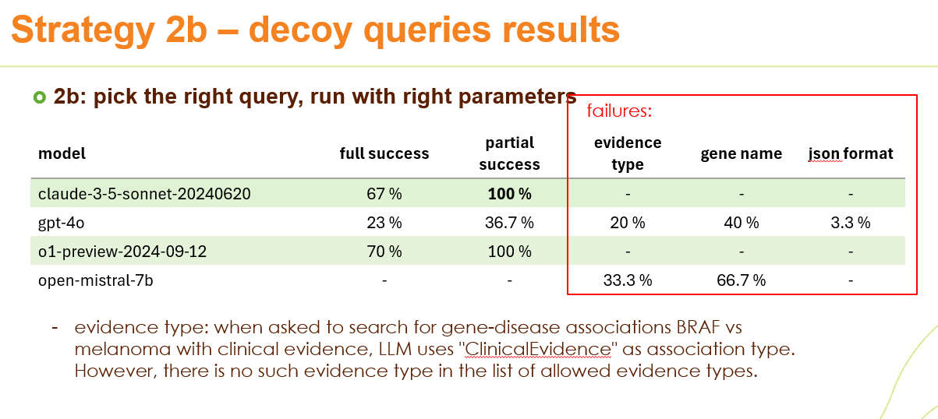
Github | https://github.com/PistoiaAlliance/LLM/blob/develop/notebooks/02-template_based.ipynb

Model | Success rate |  |  | model | full success | partial success
 | Examples | Examples + force to pick among 1 real and 2 decoys | Describe the rules, no examples, force to pick among 1 real and 2 decoys |  |  |  | evidence type | gene name | json format
claude-3-5-sonnet-20240620 | 100% | 100% | 70% | claude-3-5-sonnet-20240620 | 67% | 100% | 0 | 0 | 0
gpt-4o | 47% | 37% | 37% | gpt-4o | 20% | 36.70% | 16.70% | 46.70% | 0
o1-preview-2024-09-12 | 100% | 100% | 93% | o1-preview-2024-09-12 | 63.30% | 100.00% | 0 | 0 | 16.70%
open-mistral-7b | 33% | 0% | 0% | open-mistral-7b | 0 | 0 | 33.30% | 66.70% | 0

 |  |  |  | "Partial success" allows for any evidence, not only "clinical evidence", as requested in the test question, because Open Targets does not have an explicit "clinical evidence"

4. BioChatter
Github | https://github.com/PistoiaAlliance/LLM/blob/develop/notebooks/04-biochatter.ipynb
 |  |  |  |  |  |  |  |  | Incremental built-up of a Cypher query:
Model | Success rate | Sources of error:
step 1
You have access to a knowledge graph that contains these entity types: {entities}. Your task is to select the entity types that are relevant to the user's question.
---
{question}
step 2
You have access to a knowledge graph that contains these relationship types: {relationships}. Your task is to select relationships that are relevant to the user's question.
---
{question}
step 3
You have access to a knowledge graph that relationships and entities. They have the following properties: {node_properties}. Your task is to select the properties that are relevant to the user's question for subsequent use in a query.
---
{question}
step 4
Generate a database query in Cypher that answers the user's question.
You can use the following entities: {selected_entities},
relationships: {selected_relationships}
properties: {selected_properties}.
---
{question}
 |  | gene name | syntax: dot | syntax: other | schema | evidence type | Cypher query format | disease case
claude-3-5-sonnet-20240620 | 20 | 67 | 3 | 0 | 10 | 0 | 0 | 0
gpt-4o | 10 | 63 | 7 | 3 | 0 | 10 | 0 | 7
o1-preview-2024-09-12 | 30 | 63 |  |  | 7 | 0 | 0 | 0
open-mistral-7b | 0 | 0 | 40 | 30 | 0 | 0 | 10 | 0

 |  |  |  |  |  |  |  |  | Entities, relationships, and properties are taken from langchain schema
 |  |  |  |  |  |  |  |  | Improvements:
 |  |  |  |  |  |  |  |  | –explicitly asking to use backticks for escaping
 |  |  |  |  |  |  |  |  | –explicitly asking to use case-insensitive query

5. Agents
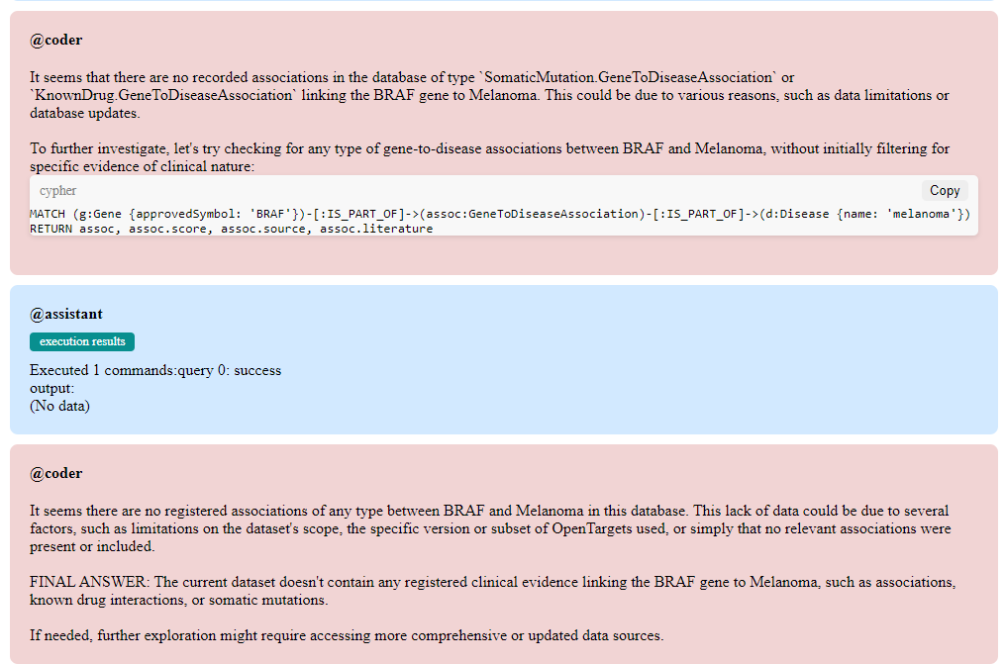
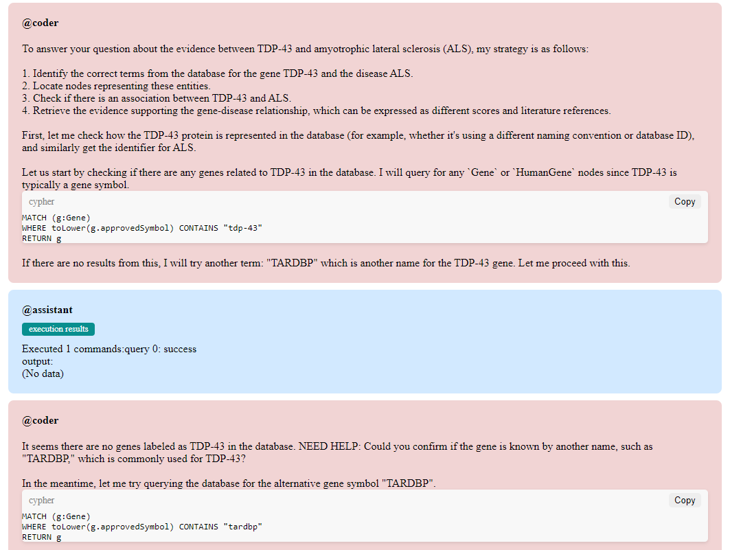
Github | https://github.com/PistoiaAlliance/LLM/tree/develop/notebooks/05-agentic

Data Scientist agent only
Model | Success | Sources of error:
 |  | directionality | schema
claude-3-5-sonnet-20240620 | 10 | 70 | 20
gpt-4-turbo | 0 | 60 | 40
gpt-4o | 90 | 10 | 0

Data Scientist and a QC agents
Model | Success | Sources of error:
 |  | query | directionality | gene name | case | schema | disease name | wrong evidence | crashed | other | Total failure
gpt-4o | 83 | 0 | 0 | 0 | 0 | 1 | 2 | 1 | 1 | 12 | 17
claude-3-5-sonnet-20240620 | 77 | 0 | 5 | 0 | 0 | 0 | 0 | 2 | 0 | 16 | 23

14. Naive with Auto Schema
Github | https://github.com/PistoiaAlliance/LLM/blob/develop/notebooks/14-graph_schema.ipynb

You are a biological data scientist with vast experience in building and extracting information from knowledge graph.
Your current project is to support scientists who want to answer scientific questions about genes, diseases and drugs. You have a Neo4j database with biological data that accepts queries cypher queries. Scientists will provide you questions, and you should output correct cypher statements that will generate results.
{schema}
Node properties:
AffectedPathway.GeneToDiseaseAssociation {literature: LIST, score: FLOAT, source: STRING, licence: STRING, version: STRING, id: STRING, preferred_id: STRING}
GeneticAssociation.GeneToDiseaseAssociation {score: FLOAT, source: STRING, licence: STRING, version: STRING, id: STRING, preferred_id: STRING, literature: LIST}
Relationship properties:
The relationships:
(:DiseaseOrPhenotypicFeature)-[:IS_PART_OF]->(:KnownDrug.GeneToDiseaseAssociation)
(:DiseaseOrPhenotypicFeature)-[:IS_PART_OF]->(:Literature.GeneToDiseaseAssociation)
(:DiseaseOrPhenotypicFeature)-[:IS_PART_OF]->(:SomaticMutation.GeneToDiseaseAssociation)
(:DiseaseOrPhenotypicFeature)-[:IS_PART_OF]->(:AffectedPathway.GeneToDiseaseAssociation)
(:DiseaseOrPhenotypicFeature)-[:IS_PART_OF]->(:RnaExpression.GeneToDiseaseAssociation)
Normal automatically generated schema:
Model | Success | Sources of error:
 |  | query | directionality | gene name | case | schema
claude-3-5-sonnet-20240620 | 10 | 80 | 10 | 0 | 0 | 0
gpt-4o | 0 | 53 | 17 | 30 | 0 | 0
o1-preview-2024-09-12 | 30 | 47 | 13 | 0 | 7 | 3
open-mistral-7b | 3 | 43 | 10 | 27 | 3 | 13

Extended automatically genefrated schema:
Model | Success | Sources of error:
 |  | query | directionality | gene name | case | schema
claude-3-5-sonnet-20240620 | 20 | 70 | 7 | 3 | 0 | 0
gpt-4o | 0 | 37 | 30 | 33 | 0 | 0
o1-preview-2024-09-12 | 27 | 57 | 13 | 0 | 3 | 0
open-mistral-7b | 0 | 40 | 20 | 30 | 10 | 0

enhanced_graph = Neo4jGraph(
url=neo4j_uri,
username=neo4j_username,
password=neo4j_password,
enhanced_schema=True,
)
enhanced_schema = enhanced_graph.schema
Node properties:
- **Entity**
- `literature`: LIST Min Size: 1, Max Size: 1
- `score`: FLOAT Example: "0.03"
- `source`: STRING Example: "Open Targets"
The relationships:
(:Entity)-[:IS_PART_OF]->(:Entity)
(:Entity)-[:IS_PART_OF]->(:Association)
(:Entity)-[:IS_PART_OF]->(:GeneToDiseaseAssociation)
(:Entity)-[:IS_PART_OF]->(:GeneticAssociation.GeneToDiseaseAssociation)
(:Entity)-[:IS_PART_OF]->(:AffectedPathway.GeneToDiseaseAssociation)
(:Entity)-[:IS_PART_OF]->(:AnimalModel.GeneToDiseaseAssociation)
(:Entity)-[:IS_PART_OF]->(:Literature.GeneToDiseaseAssociation)

